Earthworks - Bulk Fill
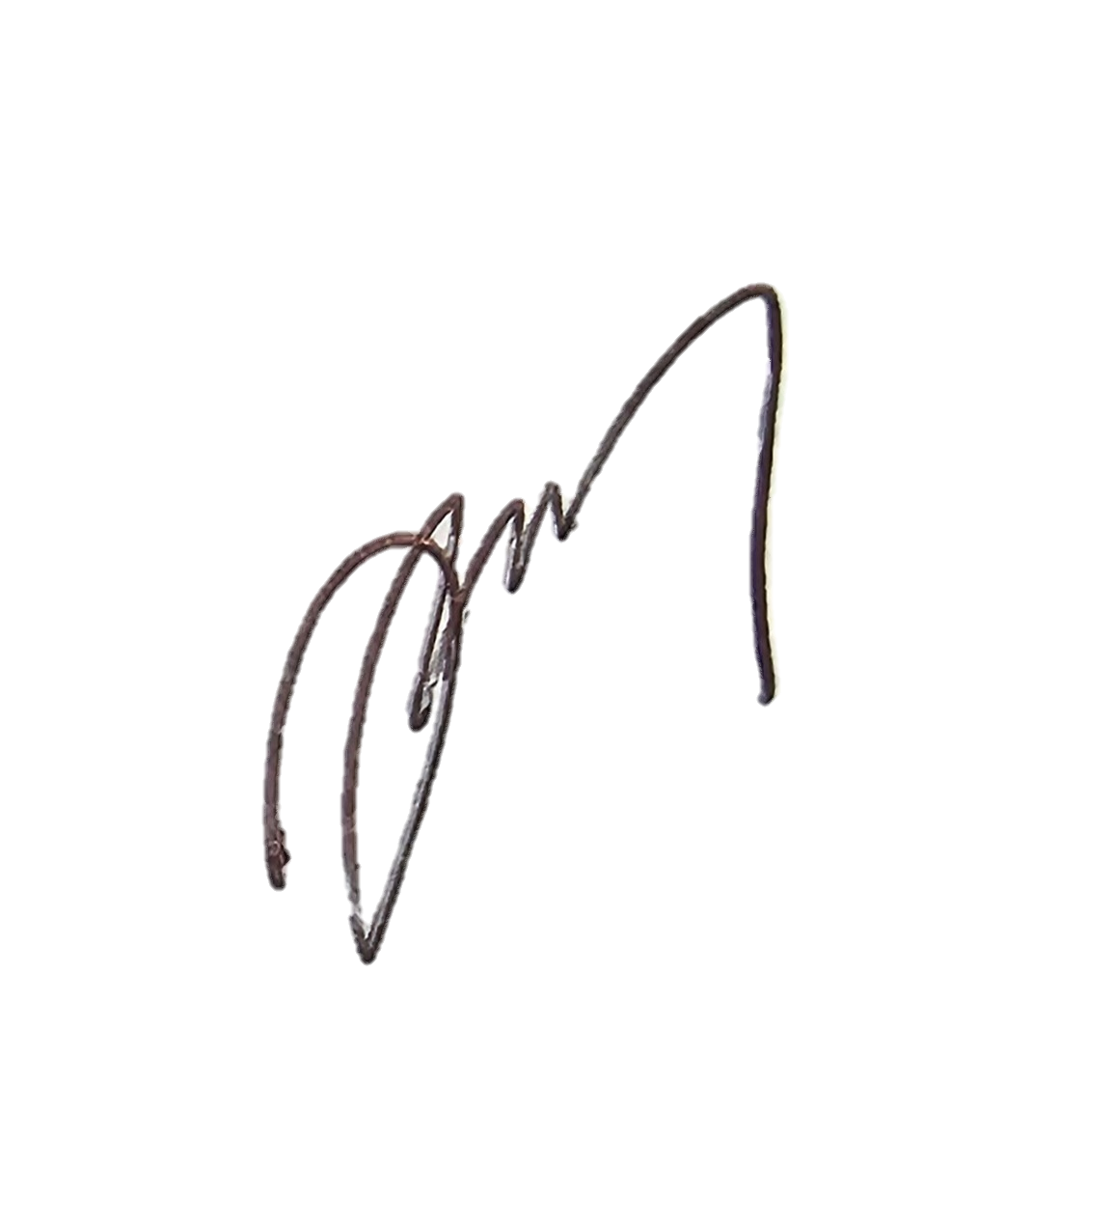
 |  |  |  | Inspection Test Plan |  |  | Approver / Signatures |  | Project Site reps.
 |  |  |  | Contract Name: | F3002G Mangahuini Sheet Pile Wall |  | CPS Approver | Quality Approver | CPS Eng.
 |  |  |  | Procedure: | Earthworks - Bulk Fill |  | Name / Signature | Name / Signature | Site Engineer
Inspection & Test Plan / Checklist |  |  |  |  |  |  | 2023-12-08 |  | Quality Eng.
Lot No:F3002G |  |  |  | Corresponding Work Instruction: |  | (insert contract suffix here)-CS-7004 |  | Compliance with Work Instructions and Specifications
Detailed Location:SH35 R.5 RP.225/9.44
Chainage:
No: | Inspection / Test Point | ACTION (Hold, Monitor, Witness) | Detail | Frequency | Inspection / Test Method submission, visual inspection, testing, measure, review | Conformance Criteria | Records | Initials | CPS Engineer Initials (Grey if not required) | Date(s)
1 | Survey Setout | H | Set out extents of fill and check against design drawings | Prior to commencement | Survey | Consistency with Construction Drawing | Survey receipt | Site Engineer | CPS Engineer
2 | Ground Improvements | H | Ground Improvements / Dig Outs for soft areas | Prior to commencement | Document Review | Must be completed as per Engineer requirements and be signed off and closed before bulk earthwork operations commence | CPS COR report | Site Engineer | CPS Engineer
3 | Granular Fill (AP65) | W | Granular fill material to fill any voids in the batter slope shall be crushed AP65 material | Prior to receiving rock rip rap | Supplier material test certificate | AP65 shall be a hard, durable, well graded, free draining material with a maximum particle size of 100mm and 65mm respectively and not more than 5% by mass passing a 75- micron sieve. The fill material shall be free of organic fines and vegetative matter. | Delivery Dockets, Material certificate(s) | Site Engineer
4 | Subgrade Testing | W | Subgrade Cut and Fill Construction | During construction | Visual Inspection | Ensure clearing and topsoil stripping does not extend past survey & clear the site with organic material / unsuitable soils | CS-4100 Subgrade Approval Check Sheet | Site Engineer
5 | Filling Operation | W | Filling carried out in fully drained conditions with no free water on the working surfaces. Any erosion to be repaired immediately | During construction | Visual inspection | Any voids larger than 300mm to be filled with 100 to 300mm diameter chinker rock | Photo's | Site Engineer
6 |  | H | Granular Fill (AP65) used in voids for batter slopes shall be placed in layers not exceeding 200mm loose thickness and be compacted | During construction | Visual inspection | The material shall be compacted by using hand-held mechanical tampers achieving 95% of the maximum dry density as determined by NZS 4402 1986 Test 4.1.1. | Photo's | Site Engineer | CPS Engineer
8 | As-built Survey | H | Ensure cut/fill slopes comply with design prior to next process taking place | Prior to placing topsoil/pavement/ finished surfaces | Survey / Drawings | As-built Survey & Drawing Mark-Ups to be reviewed and accepted by CPS Engineer | As-builts, CPS COR Report | Site Engineer | CPS Engineer
9 | Quality Assurance deliverables | W | Red line mark up drawings to be reviewed and accepted. All NCRs and RFIs are closed and included with Handover QA file. | At completion of Lot | Document Review | Ensure all QA is uploaded into ConQA / Procore | As-builts, NCR's and RFI's | Site Engineer
10 | Completion Sign Off From Fields Below |  |  |  |  |  | Signatures | PM | CPS | QM

Comments:

IFC Drawings used for Construction incl. Rev numbers:

Reference Documentation (Notices/NCRs etc.):

QA Compiled By : |  |  |  |  | Signature: |  |  | Date:

QA checked By Discipline Manager: |  |  |  |  | Signature: |  |  | Date:

QA checked By Quality Manager: |  |  |  |  | Signature: |  |  | Date:

Accepted By CPS Manager: |  |  |  |  | Signature: |  |  | Date:

